read the display
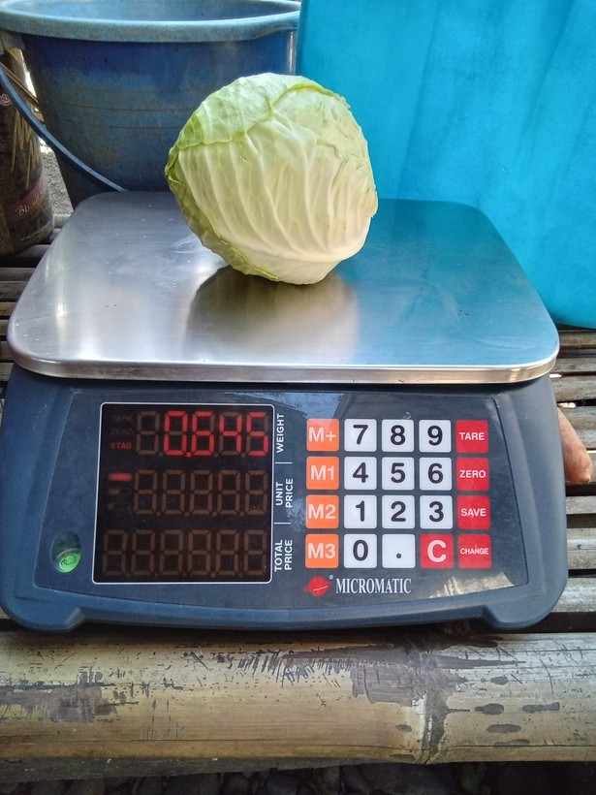
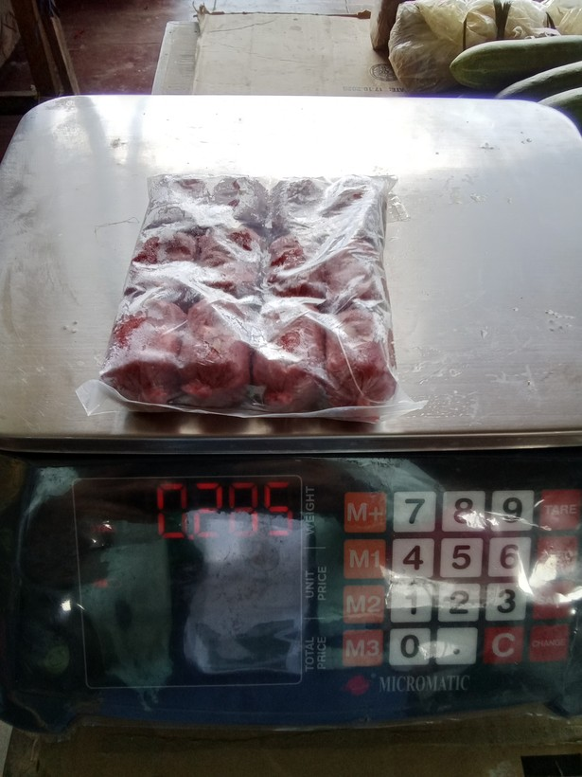
row | image_code | photograph | pull_item | raw_tick | raw_weight | published_now | proposed_value | photo_unit | times_off | approve | correct_value | notes
1 | 1777447762886 |  | cabbage | grams (g) | 0.64499998 | 645 | 845 | g | 1.31
2 | 1774575064281 |  | preserved or processed meat (tocino, tapa, longaniza, etc) | grams (g) | 0.285 | 285 | 295 | g | 1.04
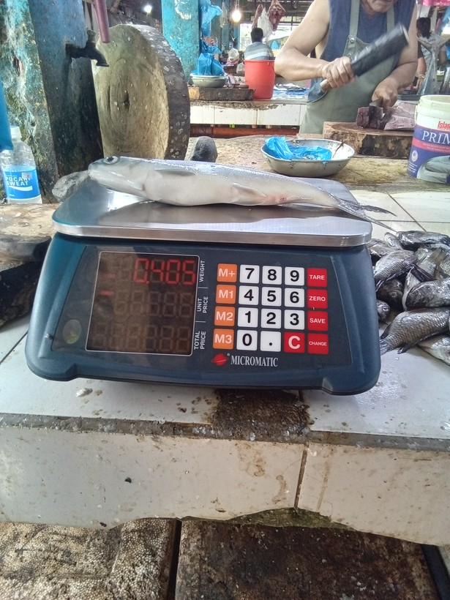
3 | 1777423282182 |  | fresh fish | grams (g) | 0.405 | 405 | 605 | g | 1.49
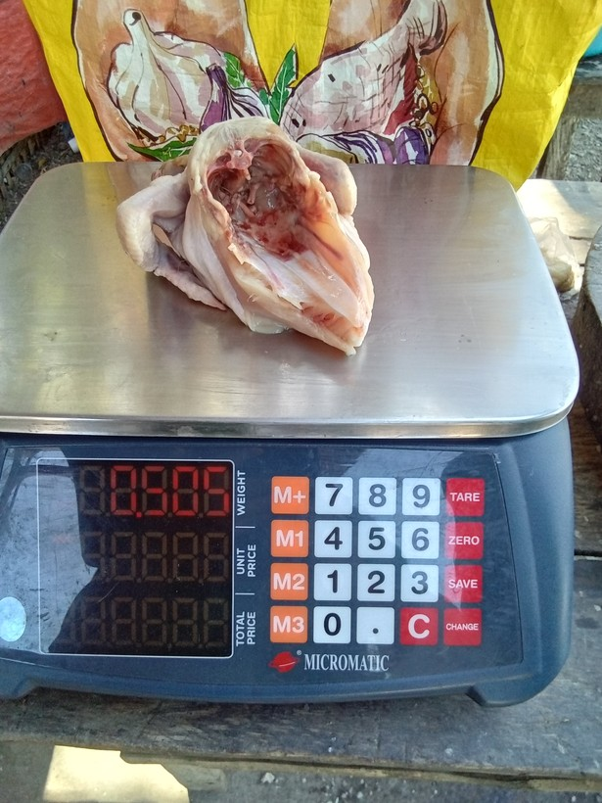
4 | 1777083419074 |  | chicken | grams (g) | 0.505 | 505 | 905 | g | 1.79
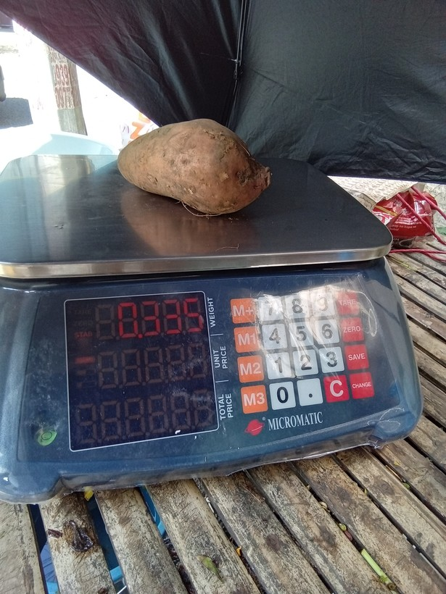
5 | 1773798921921 |  | camote | grams (g) | 0.33500001 | 335 | 385 | g | 1.15
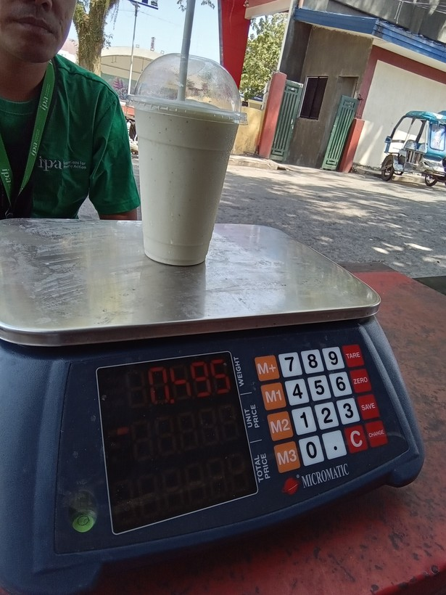
6 | 1776822393755 |  | drinks at restaurant, hotel, cafe, or kiosk | grams (g) | 495 | 495 | 595 | g | 1.2
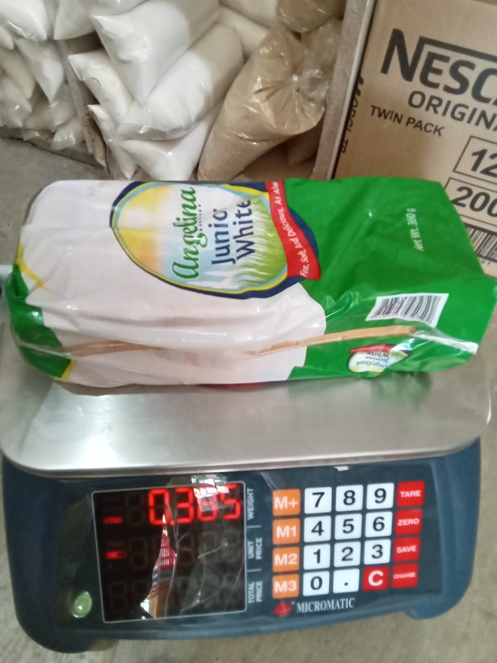
7 | 1773995638751 |  | loaf bread | grams (g) | 0.38499999 | 385 | 305 | g | 1.26
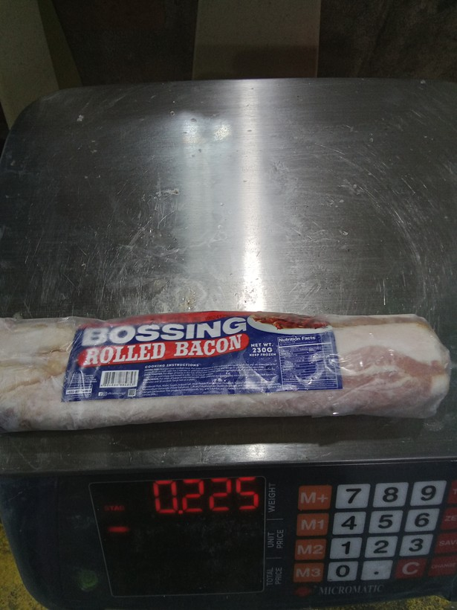
8 | 1776824550467 |  | preserved or processed meat (tocino, tapa, longaniza, etc) | grams (g) | 0.22499999 | 225 | 230 | g | 1.02
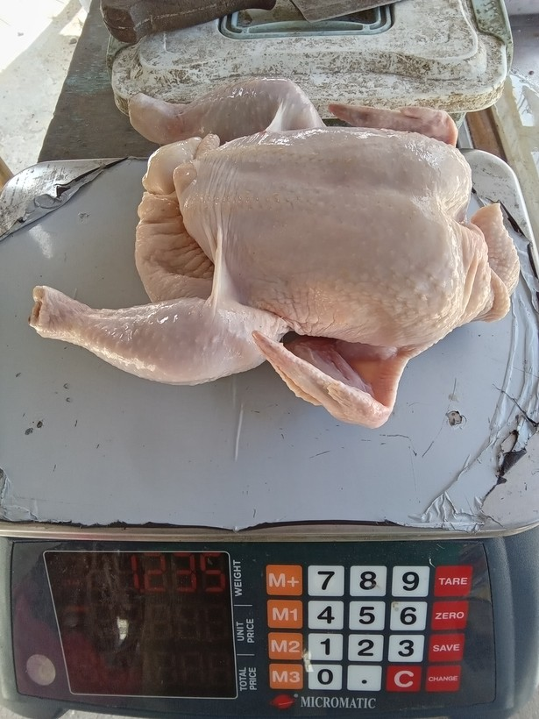
9 | 1777944747570 |  | chicken | Kilograms (Kgs) | 1235 | 1235 | 1285 | g | 1.04
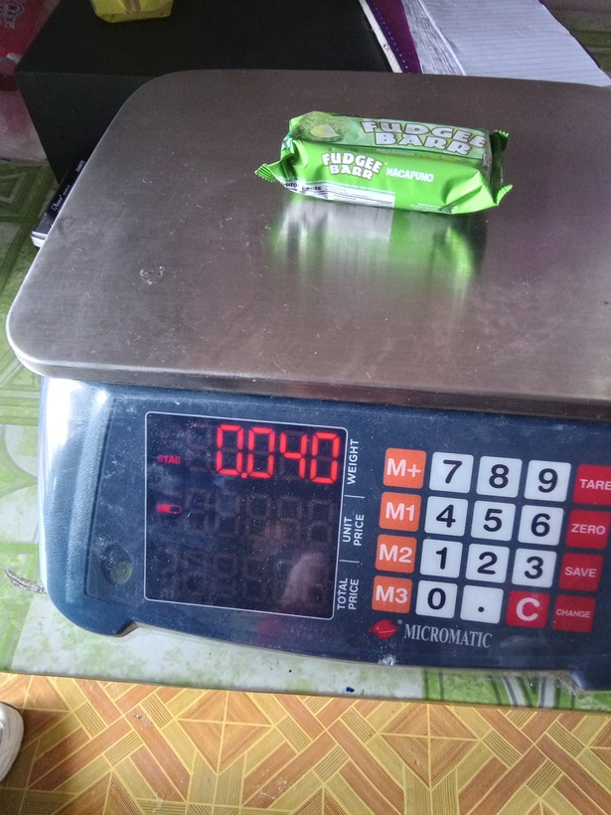
10 | 1773796774872 |  | crackers, cookies, buiscuits, chips/curls | grams (g) | 0.40000001 | 400 | 40 | g | 10
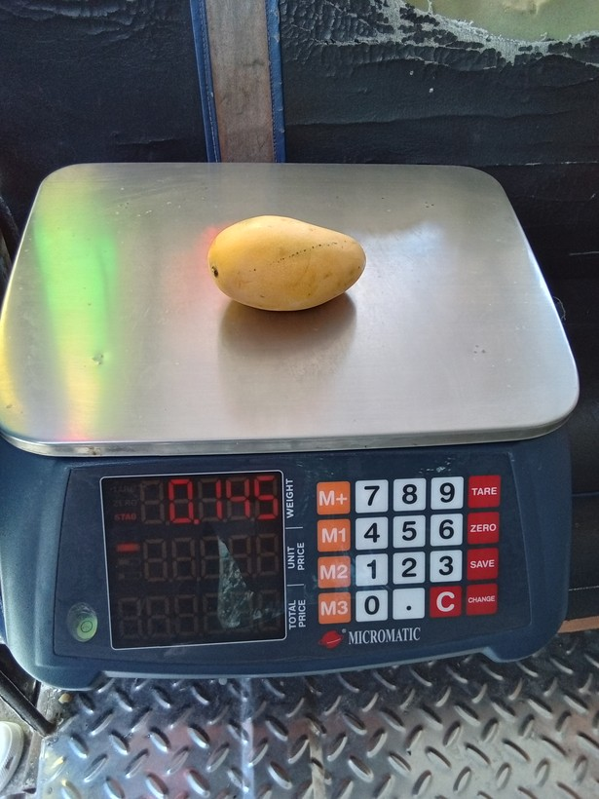
11 | 1778034809067 |  | mango | grams (g) | 0.145 | 145 | 195 | g | 1.34
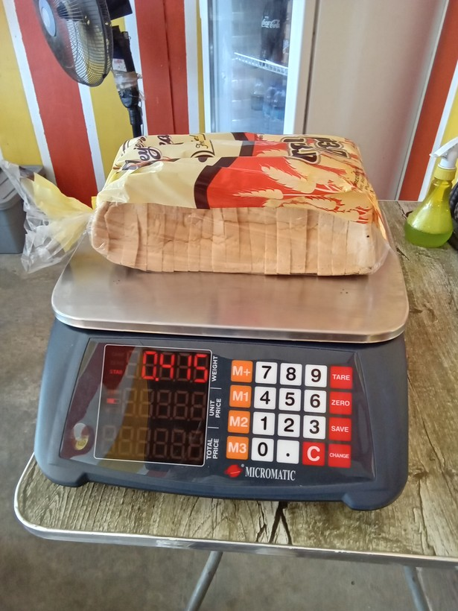
12 | 1773992274197 |  | loaf bread | grams (g) | 0.41499999 | 415 | 475 | g | 1.14
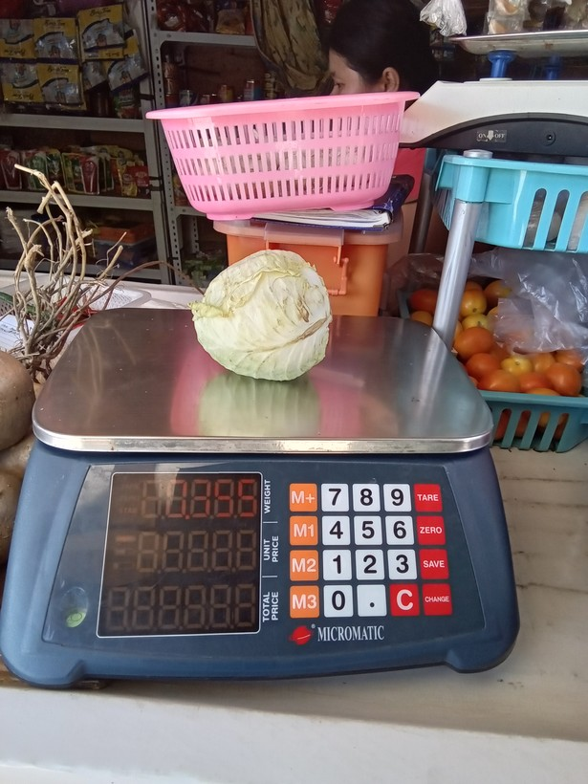
13 | 1777948595873 |  | cabbage | grams (g) | 0.35499999 | 355 | 395 | g | 1.11
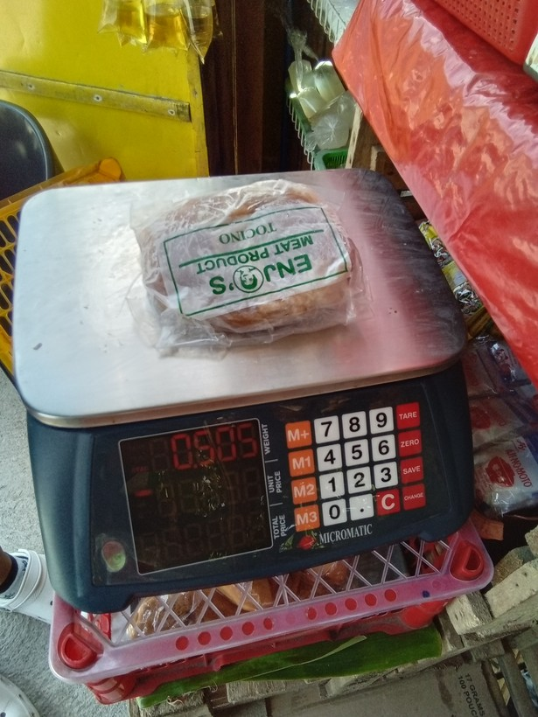
14 | 1778895486631 |  | preserved or processed meat (tocino, tapa, longaniza, etc) | grams (g) | 0.505 | 505 | 905 | g | 1.79
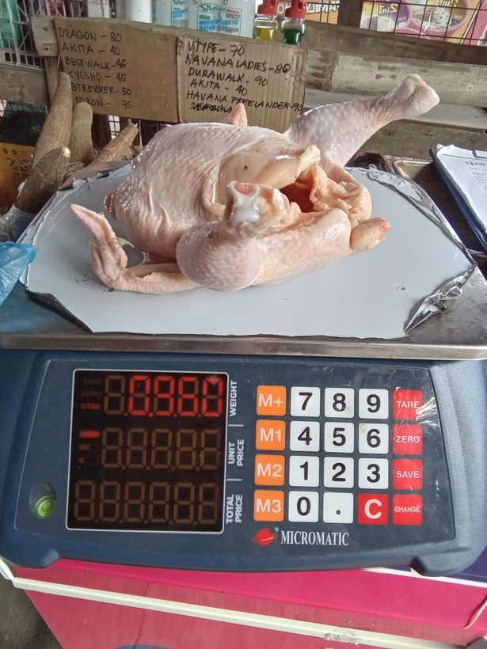
15 | 1776040289161 |  | chicken | grams (g) | 0.95999998 | 960 | 980 | g | 1.02
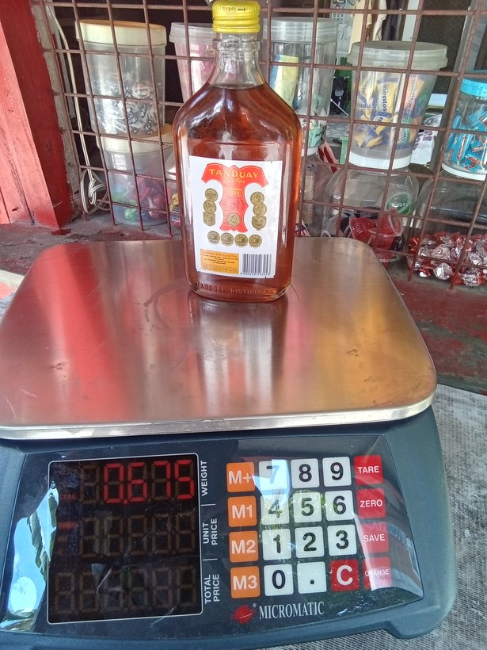
16 | 1773803103151 |  | liquor (e.g, whisky, coconut wine) | grams (g) | 0.67500001 | 675 | 605 | g | 1.12
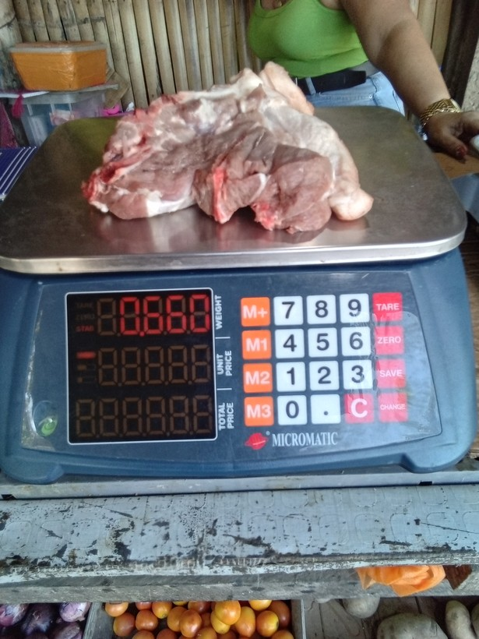
17 | 1778811481915 |  | pork | grams (g) | 0.66000003 | 660 | 680 | g | 1.03
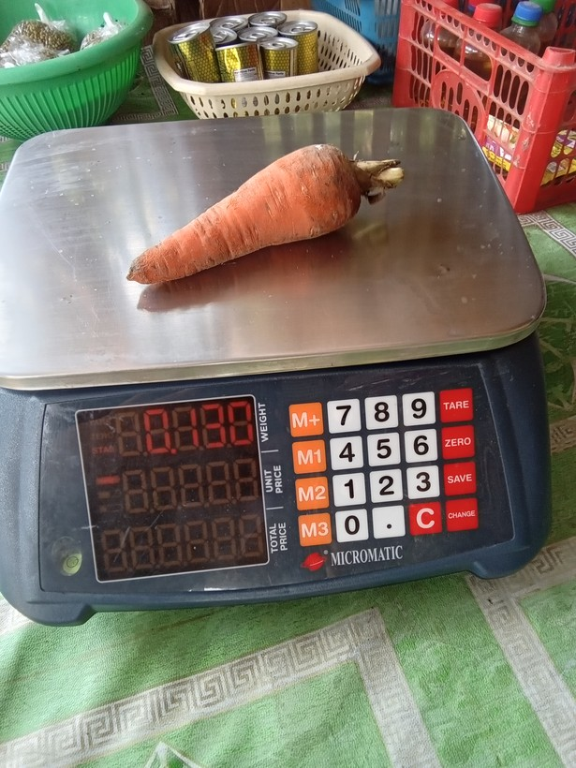
18 | 1776827254483 |  | carrot | grams (g) | 0.13 | 130 | 180 | g | 1.38
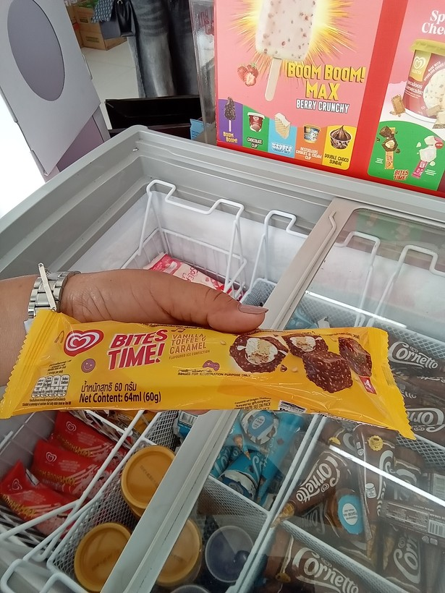
19 | 1774487681368 |  | ice cream, sorbet, edible ice (eg., ice-lolli, halo-halo) | grams (g) | 60 | 60 | 64 | mL | 1.07
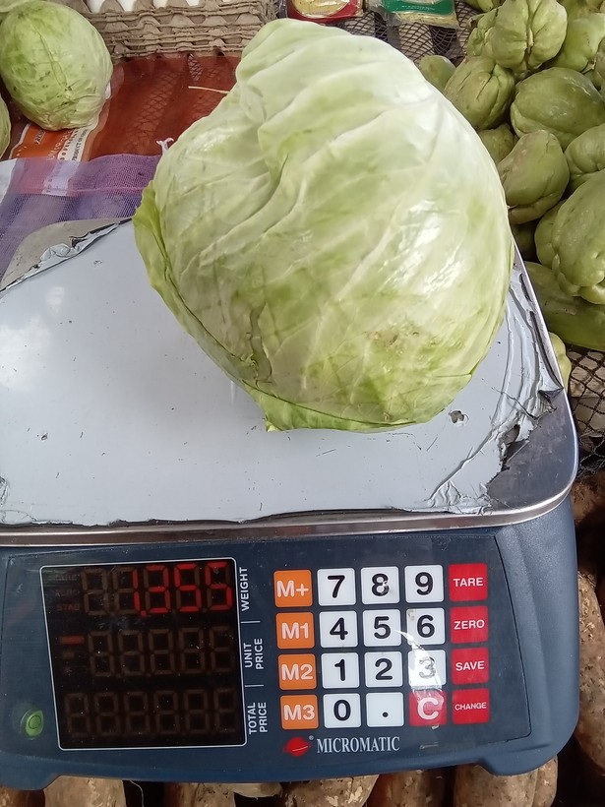
20 | 1777254711693 |  | cabbage | Kilograms (Kgs) | 1355 | 1355 | 1055 | g | 1.28
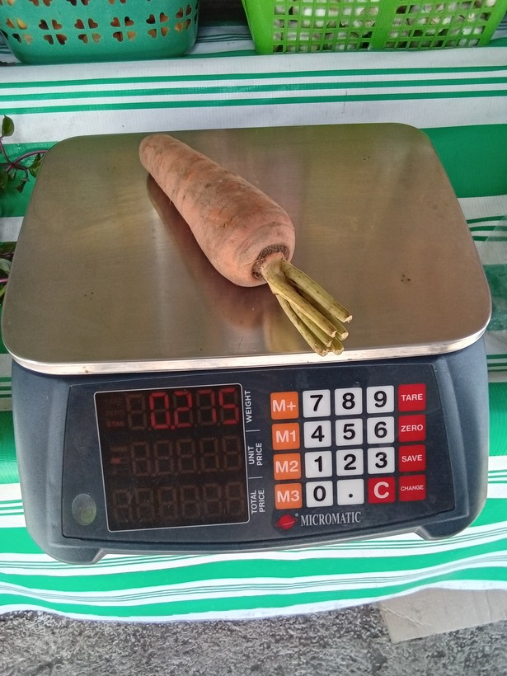
21 | 1778204787227 |  | carrot | grams (g) | 0.27500001 | 275 | 215 | g | 1.28
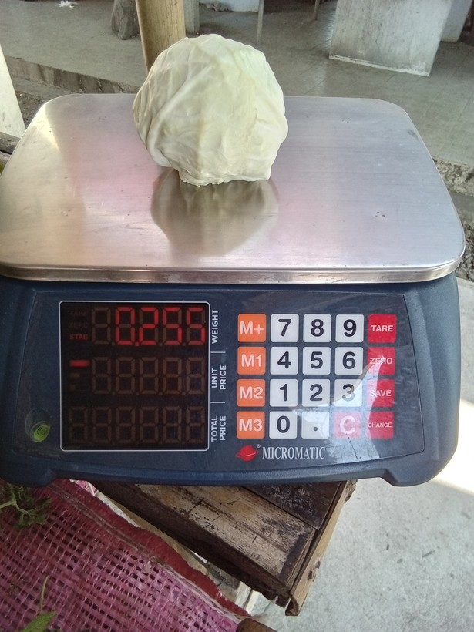
22 | 1776664038742 |  | cabbage | grams (g) | 0.255 | 255 | 295 | g | 1.16
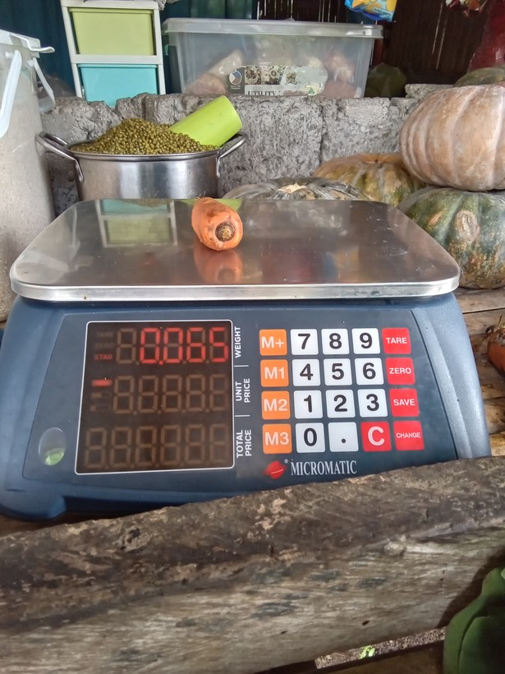
23 | 1777867916089 |  | carrot | grams (g) | 0.064999998 | 65 | 85 | g | 1.31
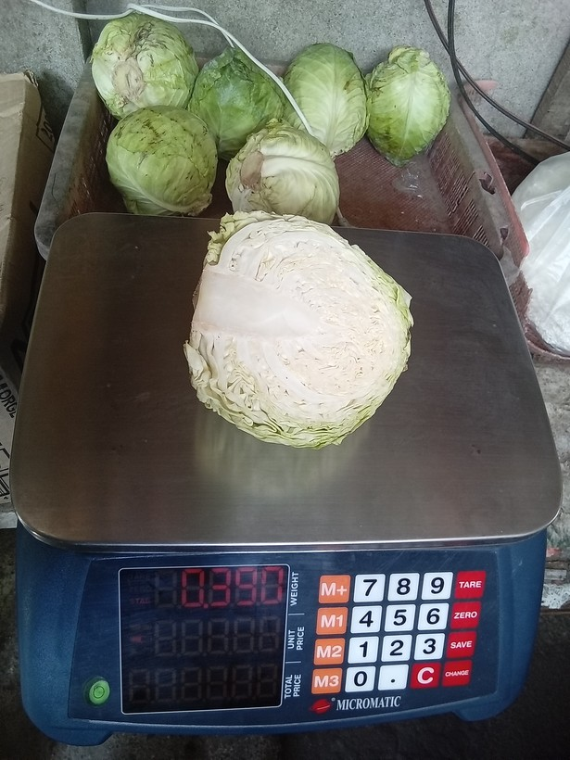
24 | 1774580368257 |  | cabbage | grams (g) | 0.38999999 | 390 | 350 | g | 1.11
25 | 1774421610417 | 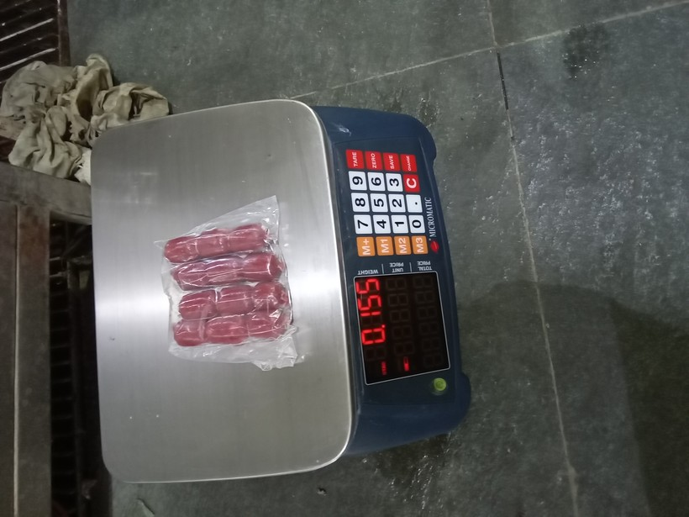 | preserved or processed meat (tocino, tapa, longaniza, etc) | grams (g) | 0.16 | 160 | 155 | g | 1.03
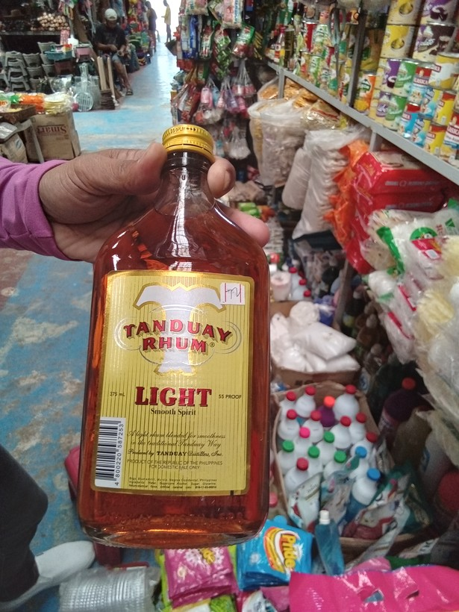
26 | 1774314777086 |  | liquor (e.g, whisky, coconut wine) | grams (g) | 375 | 375 | 275 | mL | 1.36
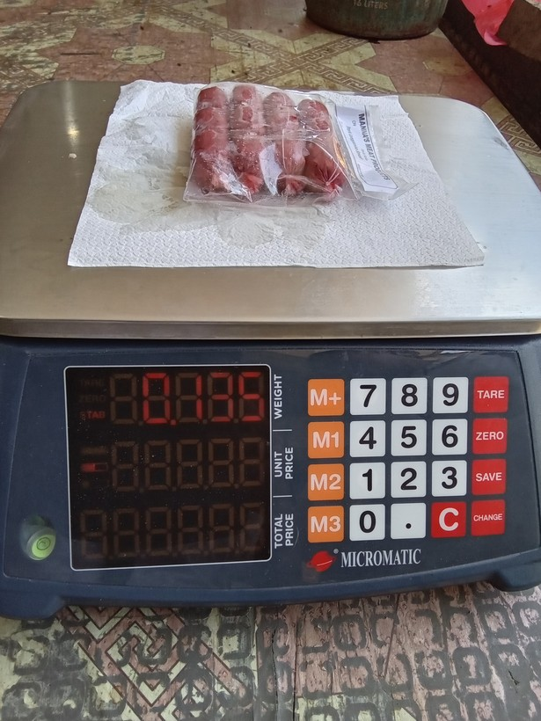
27 | 1775873546893 |  | preserved or processed meat (tocino, tapa, longaniza, etc) | grams (g) | 0.13500001 | 135 | 185 | g | 1.37
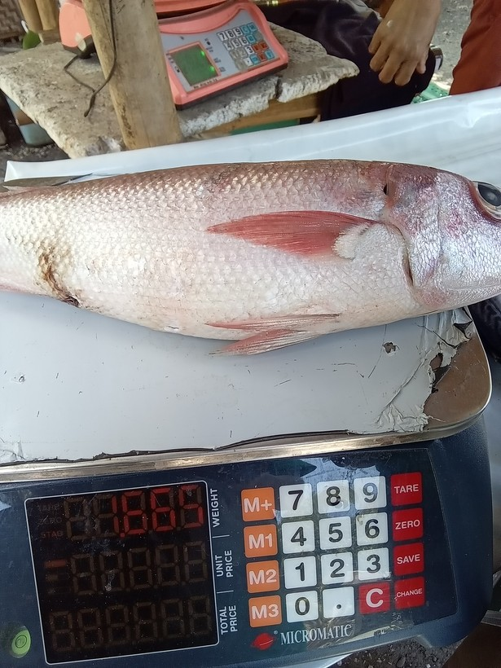
28 | 1776913164415 |  | fresh fish | Kilograms (Kgs) | 1665 | 1665 | 1865 | g | 1.12
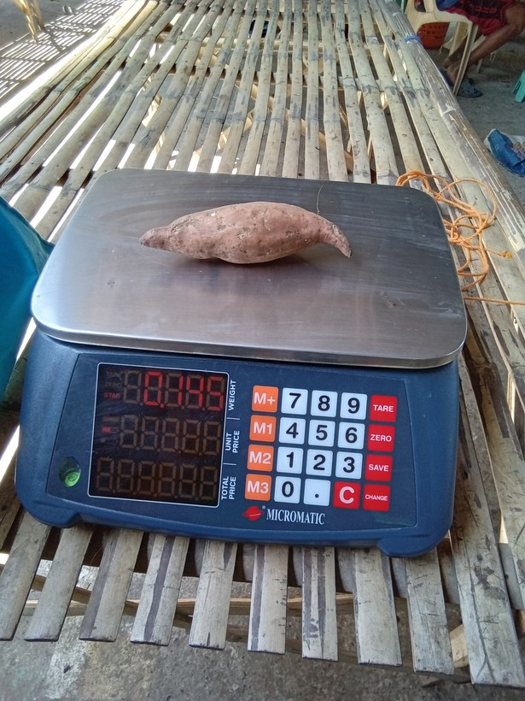
29 | 1776302518046 |  | camote | grams (g) | 0.145 | 145 | 195 | g | 1.34
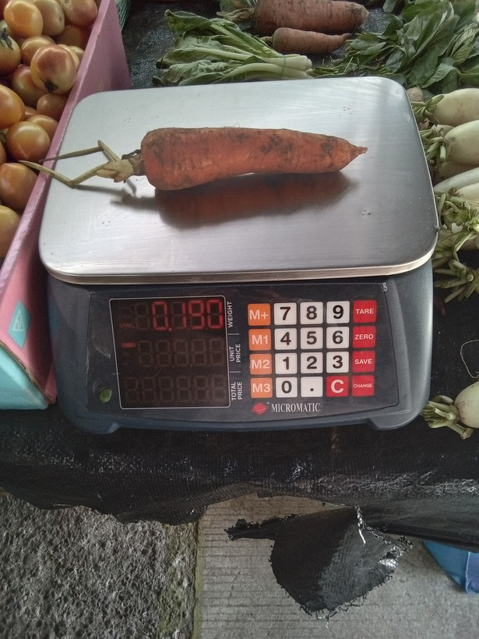
30 | 1776994655930 |  | carrot | grams (g) | 0.19 | 190 | 180 | g | 1.06
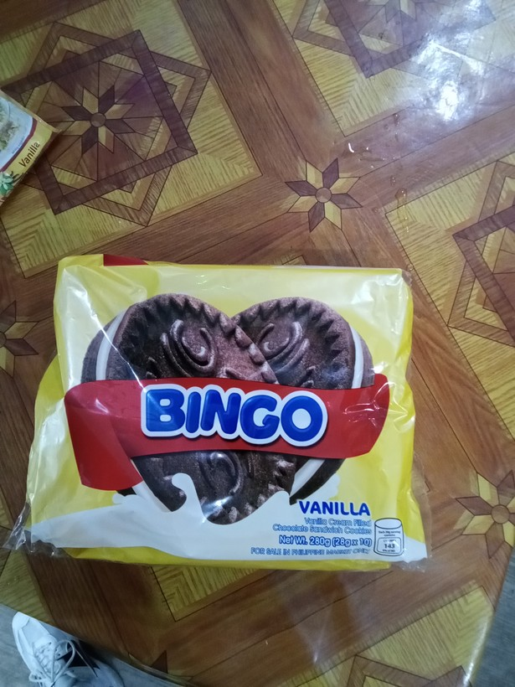
31 | 1774048647575 |  | crackers, cookies, buiscuits, chips/curls | grams (g) | 0.28 | 280 | 228 | g | 1.23
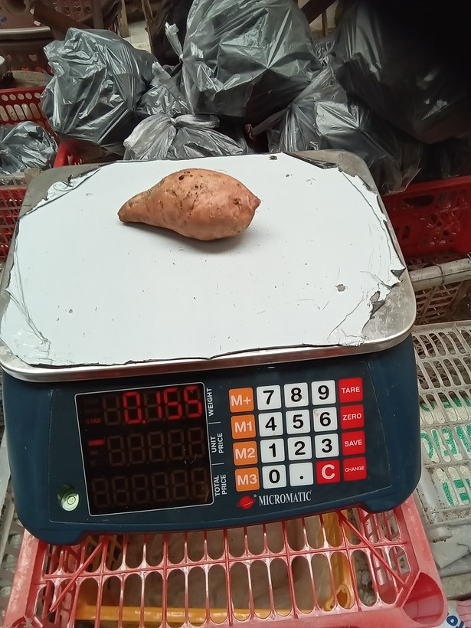
32 | 1776649758366 |  | camote | grams (g) | 0.155 | 155 | 165 | g | 1.06
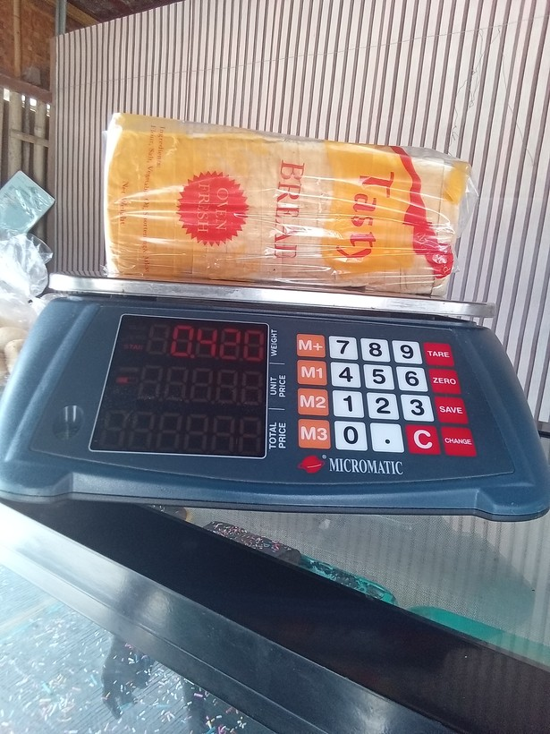
33 | 1779157255515 |  | loaf bread | grams (g) | 0.41999999 | 420 | 400 | g | 1.05
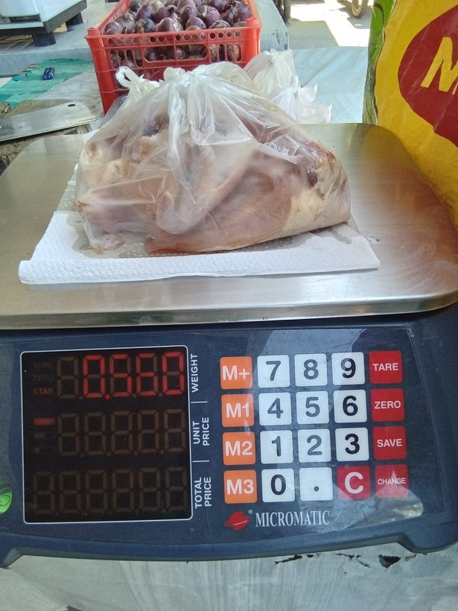
34 | 1777084903130 |  | chicken | grams (g) | 0.56 | 560 | 580 | g | 1.04
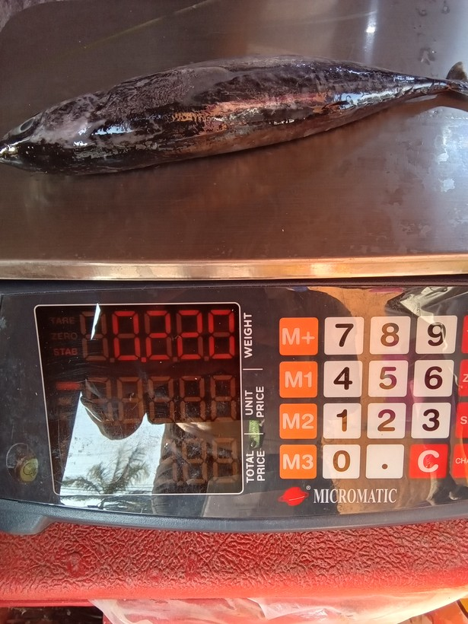
35 | 1773997708682 |  | fresh fish | grams (g) | 0.22 | 220 | 280 | g | 1.27
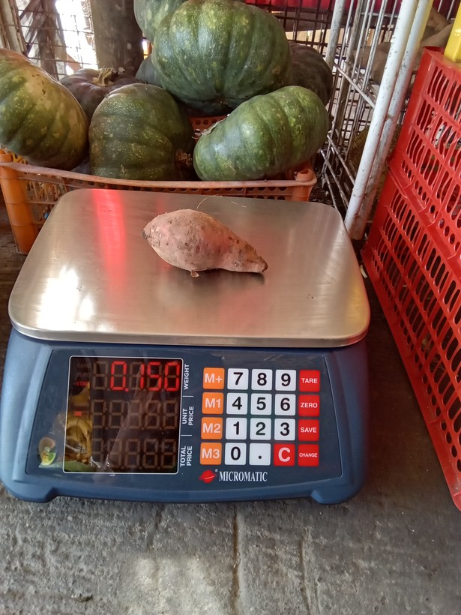
36 | 1773902971896 |  | camote | grams (g) | 0.15000001 | 150 | 180 | g | 1.2
37 | 1775870946406 | 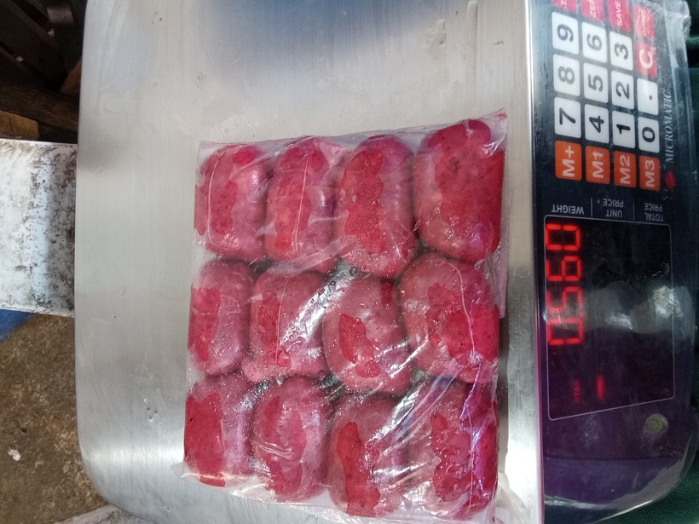 | preserved or processed meat (tocino, tapa, longaniza, etc) | grams (g) | 0.56 | 560 | 950 | g | 1.7
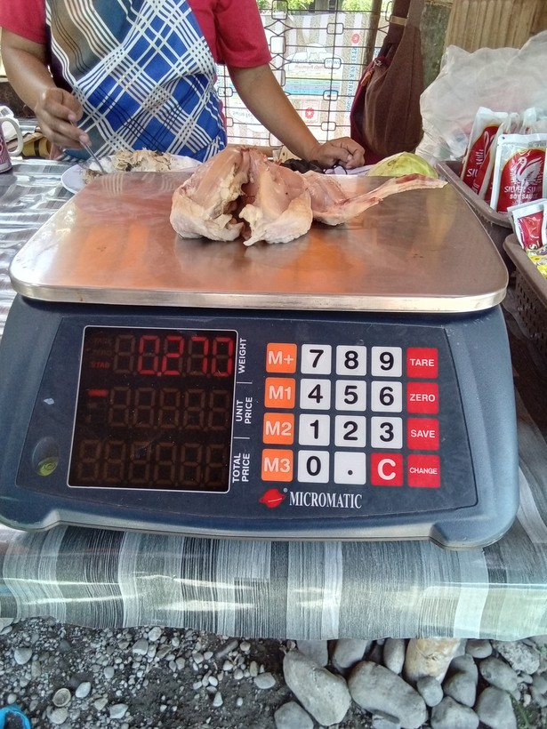
38 | 1778210891441 |  | chicken | grams (g) | 0.27000001 | 270 | 200 | g | 1.35
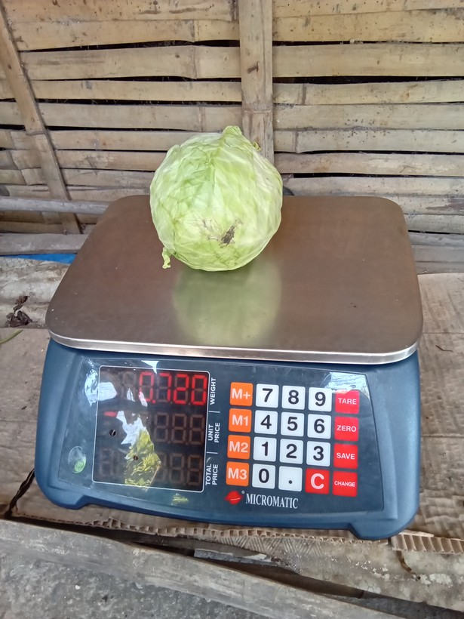
39 | 1776824898275 |  | cabbage | grams (g) | 0.72000003 | 720 | 380 | g | 1.89
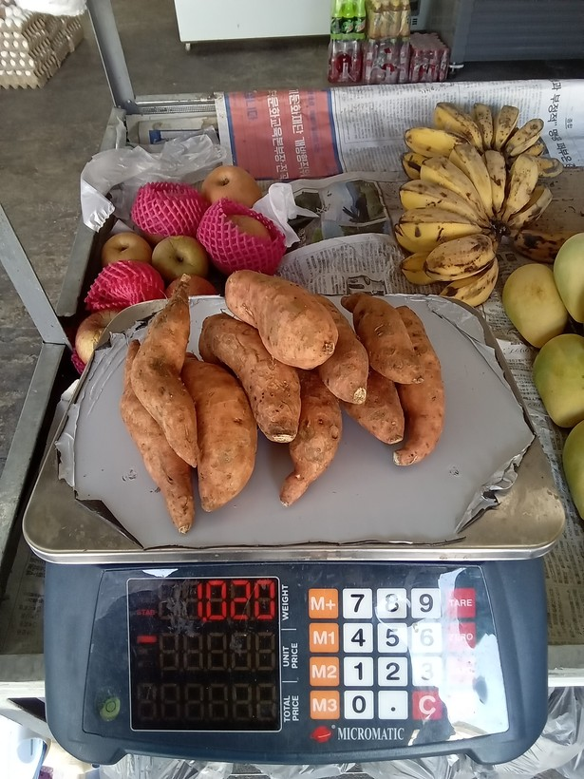
40 | 1776300455732 |  | camote | Kilograms (Kgs) | 1020 | 1020 | 1820 | g | 1.78
41 | 1778477131307 | 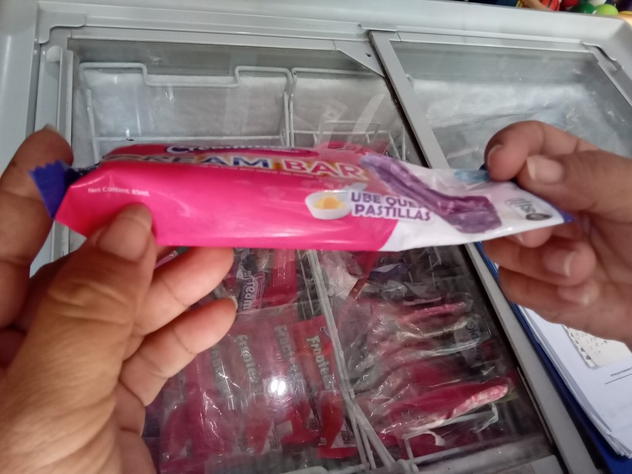 | ice cream, sorbet, edible ice (eg., ice-lolli, halo-halo) | Litres (L) | 0.085000001 | 85 | 60 | mL | 1.42
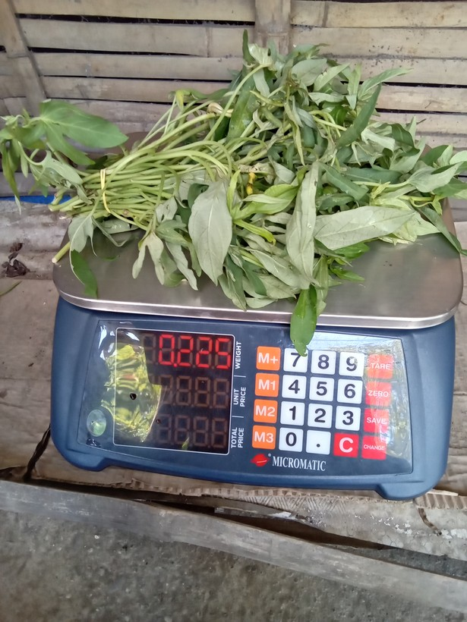
42 | 1776825052293 |  | camote tops | grams (g) | 0.22499999 | 225 | 285 | g | 1.27
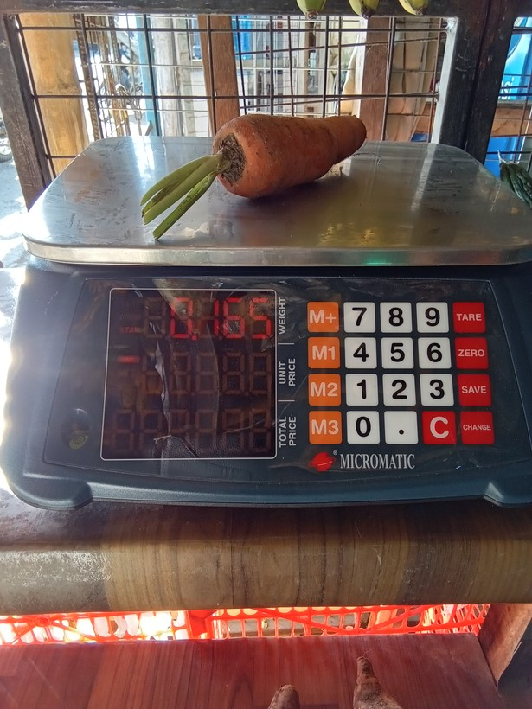
43 | 1773906229982 |  | carrot | grams (g) | 0.16500001 | 165 | 155 | g | 1.06
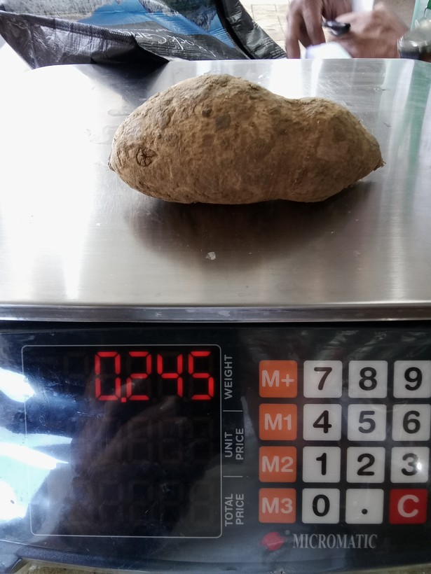
44 | 1774053528900 |  | camote | grams (g) | 0.23999999 | 240 | 245 | g | 1.02
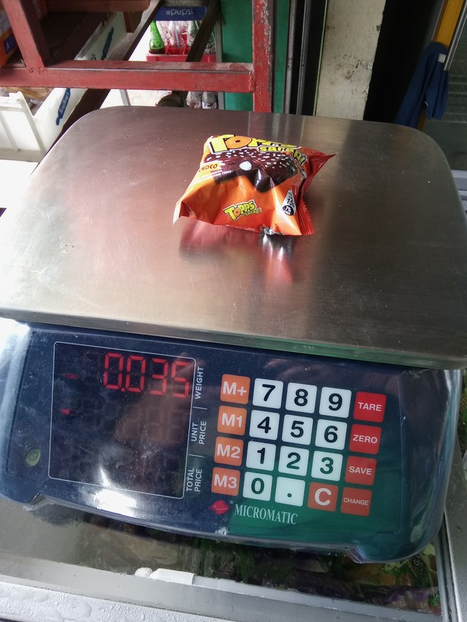
45 | 1773796034639 |  | crackers, cookies, buiscuits, chips/curls | grams (g) | 0.035 | 35 | 39 | g | 1.11
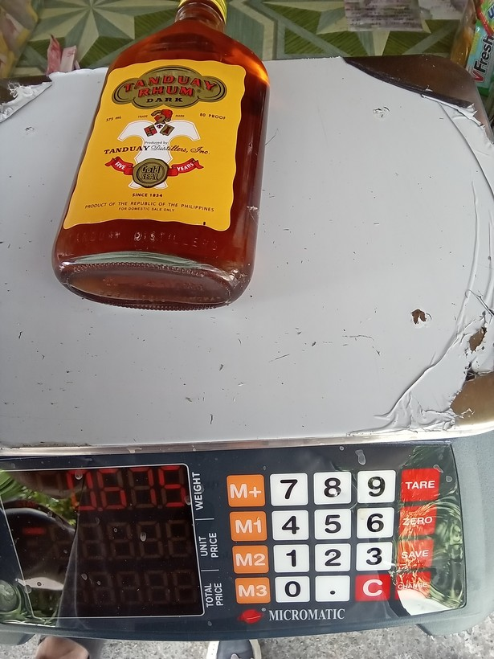
46 | 1773797402365 |  | liquor (e.g, whisky, coconut wine) | grams (g) | 675 | 675 | 375 | mL | 1.8
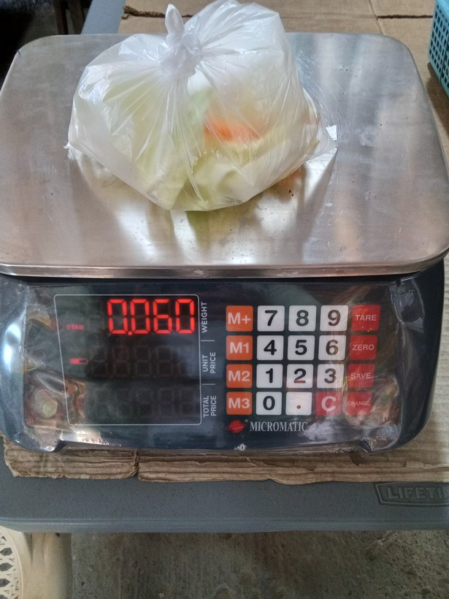
47 | 1773724826947 |  | cabbage | grams (g) | 0.60000002 | 600 | 60 | g | 10
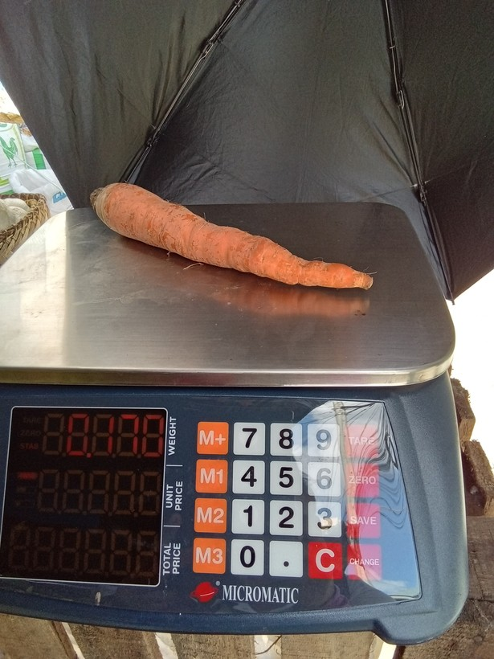
48 | 1773799670502 |  | carrot | grams (g) | 0.17 | 170 | 178 | g | 1.05
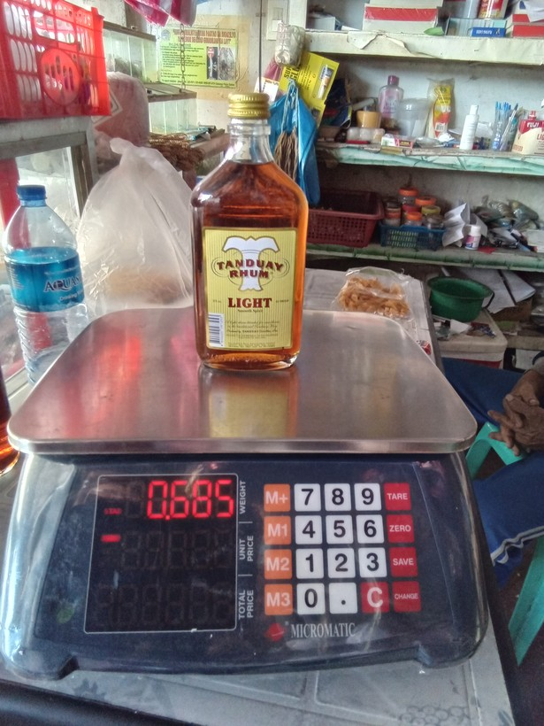
49 | 1773797422524 |  | liquor (e.g, whisky, coconut wine) | grams (g) | 0.85000002 | 850 | 685 | g | 1.24
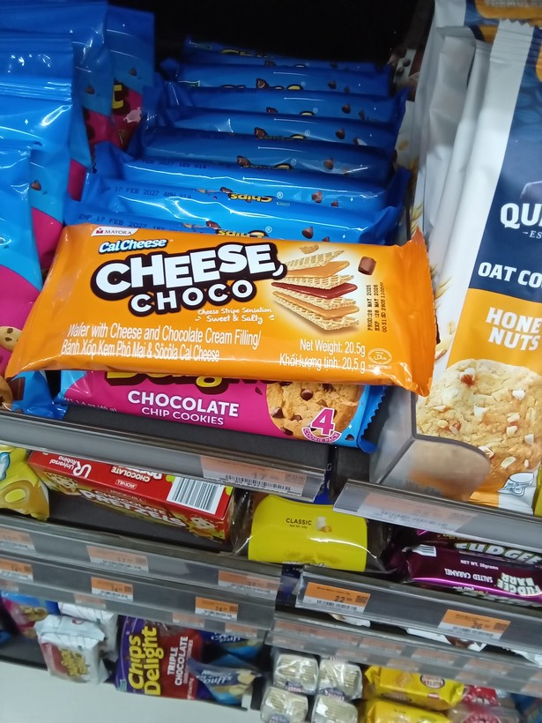
50 | 1775874611009 |  | crackers, cookies, buiscuits, chips/curls | grams (g) | 20.5 | 21 | 20.5 | g | 1.02

51 | 1778051558507 |  | mango | grams (g) | 0.125 | 125 | 130 | g | 1.04

52 | 1773891283380 |  | loaf bread | grams (g) | 0.38499999 | 385 | 350 | g | 1.1

53 | 1774326845021 |  | loaf bread | grams (g) | 0.56 | 560 | 980 | g | 1.75

54 | 1778028816971 |  | carrot | grams (g) | 0.1 | 100 | 108 | g | 1.08

55 | 1777448667164 |  | fresh fish | grams (g) | 0.28999999 | 290 | 280 | g | 1.04

56 | 1778719053327 |  | prawns, lobster, shrimp | grams (g) | 0.50999999 | 510 | 610 | g | 1.2

57 | 1775787569138 |  | carrot | grams (g) | 0.44999999 | 450 | 45 | g | 10

58 | 1776909770980 |  | camote tops | grams (g) | 0.14 | 140 | 180 | g | 1.29

59 | 1773731054952 |  | drinks at restaurant, hotel, cafe, or kiosk | grams (g) | 700 | 700 | 355 | mL | 1.97

60 | 1778030672629 |  | carrot | grams (g) | 0.14 | 140 | 190 | g | 1.36
61 | 1776217696528 |  | prawns, lobster, shrimp | grams (g) | 1 | 1000 | 1080 | g | 1.08

62 | 1776302543943 |  | camote | grams (g) | 0.32499999 | 325 | 385 | g | 1.18

63 | 1777001240809 |  | ice cream, sorbet, edible ice (eg., ice-lolli, halo-halo) | grams (g) | 0.090000004 | 90 | 80 | g | 1.13

64 | 1776827091594 |  | camote | grams (g) | 0.22 | 220 | 280 | g | 1.27

65 | 1776220345488 |  | fresh fish | grams (g) | 0.245 | 245 | 250 | g | 1.02

66 | 1776918401916 |  | fresh fish | Kilograms (Kgs) | 1080 | 1080 | 1000 | g | 1.08

67 | 1777266085340 |  | drinks at restaurant, hotel, cafe, or kiosk | grams (g) | 610 | 610 | 670 | g | 1.1

68 | 1777598588927 |  | camote tops | grams (g) | 0.66500002 | 665 | 865 | g | 1.3

69 | 1777082752314 |  | chicken | Kilograms (Kgs) | 1375 | 1375 | 1875 | g | 1.36

70 | 1773810007262 |  | ice cream, sorbet, edible ice (eg., ice-lolli, halo-halo) | grams (g) | 0.94999999 | 950 | 95 | g | 10

71 | 1778206201155 |  | cabbage | grams (g) | 0.33000001 | 330 | 390 | g | 1.18

72 | 1773969444958 |  | ice cream, sorbet, edible ice (eg., ice-lolli, halo-halo) | grams (g) | 0.055 | 55 | 96 | g | 1.75

73 | 1773969942457 |  | ice cream, sorbet, edible ice (eg., ice-lolli, halo-halo) | grams (g) | 0.050000001 | 50 | 58 | g | 1.16

74 | 1777426324259 |  | chicken | Kilograms (Kgs) | 1130 | 1130 | 1030 | g | 1.1

75 | 1773799244319 |  | cabbage | grams (g) | 0.66500002 | 665 | 865 | g | 1.3

76 | 1777448168057 |  | cabbage | grams (g) | 0.64999998 | 650 | 680 | g | 1.05

77 | 1773969923664 |  | ice cream, sorbet, edible ice (eg., ice-lolli, halo-halo) | grams (g) | 0.039999999 | 40 | 48 | g | 1.2

78 | 1775879036042 |  | drinks at restaurant, hotel, cafe, or kiosk | grams (g) | 435 | 435 | 485 | g | 1.11

79 | 1777078148145 |  | ice cream, sorbet, edible ice (eg., ice-lolli, halo-halo) | grams (g) | 56 | 56 | 64 | mL | 1.14

80 | 1773969483700 |  | ice cream, sorbet, edible ice (eg., ice-lolli, halo-halo) | grams (g) | 0.059999999 | 60 | 80 | g | 1.33

81 | 1774061474372 |  | fresh fish | grams (g) | 0.51499999 | 515 | 535 | g | 1.04

82 | 1773969164870 |  | crackers, cookies, buiscuits, chips/curls | grams (g) | 0.025 | 25 | 30 | g | 1.2

83 | 1778725481233 |  | drinks at restaurant, hotel, cafe, or kiosk | grams (g) | 435 | 435 | 485 | g | 1.11

84 | 1774053469296 |  | carrot | grams (g) | 0.185 | 185 | 195 | g | 1.05

85 | 1774424700422 |  | mango | grams (g) | 0.2 | 200 | 205 | g | 1.02

86 | 1773799243548 |  | camote | grams (g) | 0.13500001 | 135 | 185 | g | 1.37

87 | 1773880609490 |  | carrot | grams (g) | 0.13 | 130 | 180 | g | 1.38

